1. Title Page
Grocery Bsasket Analysis

Project Name: Grocery Basket Analysis
Date: April 2025
Analyst Name: Adriana García Márquez

Contents:
Population Flow
Consistency checks
Wrangling steps
Column derivations
Visualizations
Recommendations

Data citation:
Primary Dataset:
“The Instacart Online Grocery Shopping Dataset 2017”, Accessed from www.instacart.com/datasets/grocery-shopping-2017 via Kaggle on [date].
Data in column 'prices' were fabricated for learning purpose.
Supplementary Dataset:
"Customer" data provided by CareerFoundry

2. Population Flow
Title page

Population flow

Exclusion flag
Condition: max_order < 5
Obervations to be removed: 1,440,295
Final total count of order_products_all: 30,964,564

orders
original data
Total: 3,421,083
orders_products_prior
original data
Total: 32,434,489
products
original data
Total: 49,693
customers
original data
Total: 3,421,083
orders
after consistency checks
Total: 3,421,083
orders_products_prior
after consistency checks
Total: 32,434,489
products
after consistency checks
Total: 49,672
customers
after consistency checks
Total: 3,421,083
orders_products_combined
Total: 32,434,489
orders_products_merged
Total: 32,404,859
orders_products_all
Total: 32,404,859

3. Consistency checks
 |  |  |  | Title page
Consistency checks

Dataset | Missing values | Missing values treatment | Duplicates
orders | 206209 | flag variable | 0
products | 16 | remove rows | 5
 | 2 | impute with median | 0
orders_products_prior | 0 | na | 0
customers | 0 | na | 0

 |  | S

4. Wrangling steps
 |  |  |  | Title page
Wrangling steps

Columns dropped | Columns renamed | Columns' type changed | Comment/Reason
eval_set / orders |  |  | it contains innecessary information
 | order_dow |  | changed to orders_day_of_week
 | days_since_prior_order |  | changed to days_since_last_order
_merge / ords_prods_combined |  |  | flag variable when combining dataframes
_merge / ords_prods_merged |  |  | flag variable when combining dataframes
 |  | order_id | from int 64 to int 32/minimize data size
 |  | user_id | from int 64 to int 32/minimize data size
 |  | order_number | from int 64 to int 8/minimize data size
 |  | orders_days_of_week | from int 64 to int 8/minimize data size
 |  | order_hour_of_day | from int 64 to int 8/minimize data size
 |  | days_since_last_order | from float 64 to float 32/minimize data size
 |  | product_id | from int 64 to int 32/minimize data size
 |  | add_to_cart_order | from int 64 to int 32/minimize data size
 |  | reordered | from int 64 to int 8/minimize data size
 |  | aisle_id | from int 64 to int 32/minimize data size
 |  | department_id | from int 64 to int 8/minimize data size
 |  | prices | from float 64 to float 32/minimize data size
first_name |  |  | privacy and it's not necessary for the analysis
surname |  |  | privacy and it's not necessary for the analysis
 |  | Gender | changes to gender/to match format
 |  | STATE | changes to state/ to match format
 |  | Age | changes to age/ to match format
 |  | date_joined | changes to customer_since/ to match format and understanding
 |  | customer_since | from object to datetime64/ to match data type
 |  | age | from int 64 to int 8/minimize data size
 |  | n_dependants | from int 64 to int 8/minimize data size
exclusion_flag |  |  | no needed after removing rows

5. Column derivations
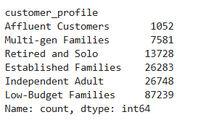
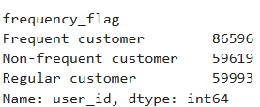
 |  |  |  |  | Title page

Column derivations and aggregations

Frequencies of flags/label variables.
Dataset | New column | Column/s it was derived from | Conditions
orders_products_merged | price_range_loc | prices | High-range product: price > 15 // Mid-range product: price >5 & <=15 // Low-range product: price <= 5
 | busiest_day | orders_day_of_week | Busiest day: 0 // Least busy: 4 // Regularly busy: else
 | busiest_days | orders_day_of_week | Busiest days: 0,1 // Slowest days: 3,4 // Regular days: else (2,5,6)
 | busiest_period_of_day | order_hour_of_day | Most_orders: >1,00,000 orders (8-19) // Average_orders: >100,000 and <1,000,000 (6,7,20,21,22,23,0,1) // Fewest_orders >100,000 orders (2-5). | 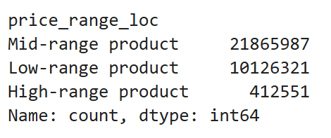 |  | 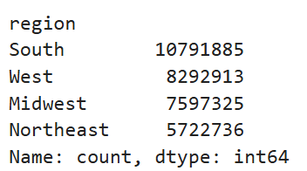
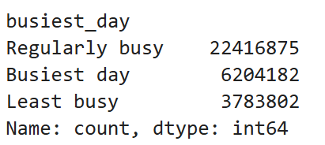
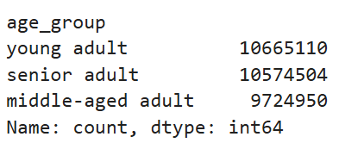
orders_products_merged_new_var | max_order | user_id // order_number | maximum of order_number grouped by user_id
 | loyalty_falg | max_order | Loyal customer: > 40 orders // Regular customer: <= 40 & > 10 orders // New customer: <= 10 orders
 | avg_price | user_id // prices | average of prices grouped by user_id
 | spending_flag | avg_price | Low spender: average price < 10 // High spender: average price >= 10
 | days_last_order_median | user_id // days_since_last_order | median of days_since_last_order grouped by user_id
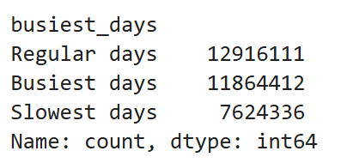
 | frequency_flag | days_last_order_median | Non-frequent customer: > 20 days // Regular customer: >10 & <=20 days // Frequent customer: <= 10 days
ords_prods_all | region | state | By region: Northeast, Midwest, South, West
all_prods_all_exclusions | age_group | age | young adult: 18-39, middle-aged adult: 40-59, serior: 60+
 | income_segment | income | low income: <60,000, mid income: 60,000-179,000, high income: 180,000 +
 | dependant_flag | n_dependants | no dependants or has dependants
 | family_profile | fam_status//n_dependants | Married with dependants// Married no dependants, Single with dependants// Single no dependatns, Divorced/widowed with dependants// Divorced/widowed no dependatns, Living with parents and sibilings with dependants/ /Living with parents and sibilings no dependants. | 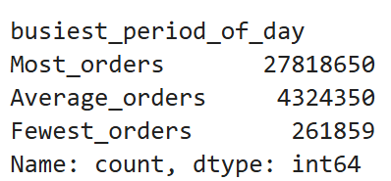 |  | 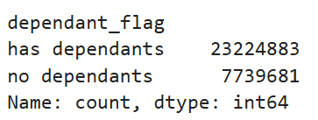
 | customer_profile | age_group//income_segment // family_profile | multi-gen families: young adult, living with parents and sibilings with kids // independent adults: young and mid-aged adults with low- mid income, single, no dependants // established families: all ages, mid income, married with dependatns // low-budget families: all ages, low income, married with dependants // retired and solo: senior adult, all income, divorces or widowed, no dependants // independent shoppers: young and mid-aged adults, low income, single, no dependants // Affluent customers: high income customers. | 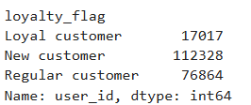

6. Visualizations
 |  |  | Title page

Visualizations

Questions | Visualizations | Comments
Busiest days of the week and busiest hours of the day in terms of orders placed. |  | The day with the most orders placed is Sunday followed by Saturday and Friday. This suggests that a significant amount of people does the grocery shopping during weekends, as they have more free time for personal errands. The histogram shows that most orders are placed in the range between 9 and 15 hours. Few orders are placed between 23-6. A step increase in orders starts around 7-9. Orders placing decreases gradually after 15 hours.
Days of the week and times of the day when people spend the most money. |  | Friday and Saturday are the days when customers buy more expensive items as the rest of the week. This suggests that people may be shopping for the weekend for parties or social events. Purchases may shift to more essential items from Sunday to Thursday. Products prices decresase sharply between 9-10. Prices are more stable during the afternoon, increasing gradually from 10 to 21 hours and decrease again until midnight. The highest variability is from midnight to 6 am, where prices start to decrease.

Distribution among users in regards to their brand loyalty. |  | The majority of customers are regular customers followed by loyal customers, which suggests that Instacart has a strong market. New customers are the smallet group which suggests that there is a lower number of new users or they haven't placed orders very often.
Differences in ordering habits based on customers' loyalty status. |  | The majority of customers are low spenders. Among high spenders, new customers represent the largest group, followed by the regular customers. In contrast, most of the lower spenders are loyal customers.
Differences in ordering habits based on customers' region. |  | All regions have a very small proportion of high spenders. The South region has the highest count of both high and low spender, suggesting that it has the larger customer base.

What different classifications does the demographic information suggests?

Age |  | Most customers are middle-aged adults (40–59), closely followed by senior adults (60+). The number of young adult customers (18–39) is slightly lower, but all three groups show relatively similar proportions.
Income |  | Most customers fall into the low-income segment, nearly a quarter are middle-income, and the smallest share belongs to high-income customers.
Family Status |  | The largest customer segment consists of married individuals with dependents, followed by singles without dependents, divorced or widowed individuals living alone, and multi-generational families.

Profiles |  | Based on the connections between age-group, income_segment and family status, the customer profiles are the next ones: 1: Multi-Gen Families: Young adults living with parents and raising kids. 2. Established Families: Mid-income, married with dependants, all incomes. 3. Low-Budget Families: Any age, low income, married with dependants. 4. Retired and Solo: Seniors, low/mid income, divorced/widowed, no dependants 5. Independent Adults: Single young adults, low/mid income, no dependants. 6. Affluent customers: Any age,any family status, high income.
Differences in ordering habits of different customer profiles

Purchasing habits |  | Both graphs show that Low-Budget Families exhibit the most varied shopping behavior, both by day of the week and hour of the day. Most profiles, except for Affluent Customers and Established Families, tend to shop the most on Saturdays, with a drop on Mondays. During weekdays, purchase patterns remain consistent across profiles, with the exception of Low-Budget Families, who show higher activity on Sundays, Saturdays, and Fridays. In terms of hour of the day, all profiles follow a similar pattern: the busiest shopping hours are between 9 a.m. and 3 p.m.

Price of orders (Total expenditure per order) |  | Affluent Customers have the highest average expenditure per order, as expected. Interestingly, Low-Budget Families also show a notably high average spend, which could indicate bulk purchases—possibly driven by cost-saving strategies. Established Families have the lowest average spend, suggesting more frequent but smaller shopping trips. The remaining profiles show similar average expenditures: Independent Adults and Retired and Solo likely shop primarily for themselves, while in Multi-gen Families, spending may be distributed among multiple households living together.

Frequency of orders |  | The frequency of purschase is similarly distributed among all cutomer profiles.

Distribution by Region |  | Across all four regions, the pattern remains consistent: Low-Budget Families make up the largest customer segment, followed by Established Families and Independent Adults, who are represented in nearly equal proportions. Retired and Solo customers and Multi-gen Families follow, while Affluent Customers consistently represent the smallest share.

Products ordered |  | The departments with the highest average spend across all customer profiles are produce, meat & seafood, and dairy & eggs. Affluent Customers and Retired and Solo shoppers stand out as the top spenders in the frozen category. Alcohol is a common purchase for Established Families, Independent Adults, Low-Budget Families, and Multi-gen Families—likely linked to social events and gatherings. All profiles, except Affluent Customers, show spending in the Babies category. For families, this is expected, while Independent Adults may be shopping for relatives' children, and Retired and Solo for their grandchildren.

7. Recommendations
 |  |  |  | Title page

Recommendations

Question | Answer |  | Recommendation
Busiest days of the week and busiest hours of the day in terms of orders placed. | The day with the most orders placed is Sunday followed by Saturday and Friday. This suggests that a significant amount of people does the grocery shopping during weekends, as they have more free time for personal errands. Most orders are placed in the range between 9 and 15 hours. Few orders are placed between 23-6. A step increase in orders starts around 7-9. Orders placing decreases gradually after 15 hours. |  | Marketing efforts should focus on peak shopping times, especially from Friday to Sunday between 9 AM and 3 PM to maximize sales. To balance system load, consider offering targeted discounts and promotions during weekdays mornings and off-peak hours.
Days of the week and times of the day when people spend the most money. | Friday and Saturday are the days when customers buy more expensive items as the rest of the week. This suggests that people may be shopping for the weekend for parties or social events. Purchases may shift to more essential items from Sunday to Thursday. Products prices decresase sharply between 9-10. Prices are more stable during the afternoon, increasing gradually from 10 to 21 hours and decrease again until midnight. The highest variability is from midnight to 6 am, where prices start to decrease. |  | Introduce premiun product promotions on Fridays and Saturdays to match the higher willingness of customers to spend for the weekend. For the rest of the weekend focus on promotion for essential goods. Consider implementing dynamic pricing throughout the day to encourage purchases during off-peak hours and attract budget-conscoius shoppers.
Simple price-range grouping. |  | All prices are between 1 and 25 dollars. Most prices are between 1 and 15 dollars. | The prices ranges where established with the next conditions: - low-range product: if the item's price is lower than or equal to $5 - mid-range product: if the item's price is above $5 but lower of equal to $15 - high_range product: if the item's price is above $15
Most popular departments. |  |  | The most popular departments based on the amount of orders are: produce, dairy eggs and snacks. Produce and dairy eggs are part of the essential goods, so it makes sense.
Most popular products. |  |  | The most popular products are among the produce and dairy eggs department, which makes sense, as both departments are the most populars.
Distribution among users in regards to their brand loyalty. | The majority of customers are regular customers followed by loyal customers, which suggests that Instacart has a strong market. New customers are the smallest group which suggests that there is a lower number of new users or they haven't placed orders very often. |  | Maintaing loyal and regular customers through loyalty programs such as customer cards and rewards. To increase the number of new customers, welcoming promotions could be implemented.
Differences in ordering habits based on customers' loyalty status. | The majority of customers are low spenders. Among high spenders, new customers represent the largest group, followed by the regular customers. In contrast, most of the lower spenders are loyal customers. |  | To make promotions for premium products on weekends to encourage customers to buy high-price range products.
Differences in ordering habits based on customers' region. | All regions have a very small proportion of high spenders. The South region has the highest count of both high and low spender, suggesting that it has the larger customer base. |  | To make promotions for premium products on weekends to encourage customers to buy high-price range products.
Differences in ordering habits of different customer profiles.
Purchasing habits | Low-Budget Families exhibit the most varied shopping behavior, both by day of the week and hour of the day. Most profiles, except for Affluent Customers and Established Families, tend to shop the most on Saturdays, with a drop on Mondays. During weekdays, purchase patterns remain consistent across profiles, with the exception of Low-Budget Families, who show higher activity on Sundays, Saturdays, and Fridays. In terms of hour of the day, all profiles follow a similar pattern: the busiest shopping hours are between 9 a.m. and 3 p.m. |  | Target campaigns for each profile, based on the peak days and hours of purchase, especially for the Low-Budget Families. Weekday strategies to keep consistency among the other customer profiles.
Price of orders (Total expenditure per order) | Affluent Customers have the highest average expenditure per order, as expected. Interestingly, Low-Budget Families also show a notably high average spend, which could indicate bulk purchases—possibly driven by cost-saving strategies. Established Families have the lowest average spend, suggesting more frequent but smaller shopping trips. The remaining profiles show similar average expenditures: Independent Adults and Retired and Solo likely shop primarily for themselves, while in Multi-gen Families, spending may be distributed among multiple households living together. |  | Target strategies: - Bulk discount for Low-Budget and Multi-Gen Families - Frequent Shopper incentives for Established Families - Personalized Offers for Independent Adults and Retired Shoppers - Premium promotions for Affluent Customers
Frequency of orders | The frequency of purschase is similarly distributed among all cutomer profiles. |  | Marketing communications should also follow a consistent schedule based on the frequency of purchases.
Products ordered | The departments with the highest average spend across all customer profiles are produce, meat & seafood, and dairy & eggs. Affluent Customers and Retired and Solo shoppers stand out as the top spenders in the frozen category. Alcohol is a common purchase for Established Families, Independent Adults, Low-Budget Families, and Multi-gen Families—likely linked to social events and gatherings. All profiles, except Affluent Customers, show spending in the Babies category. For families, this is expected, while Independent Adults may be shopping for relatives' children, and Retired and Solo for their grandchildren. |  | Keep constant marketing promotions in the top departments: produce, meat and seafood, and dairy eggs. Create niche promotions for the different profiles: - Premium frozen products - Party packages - Discounts in babies department

